selling_info
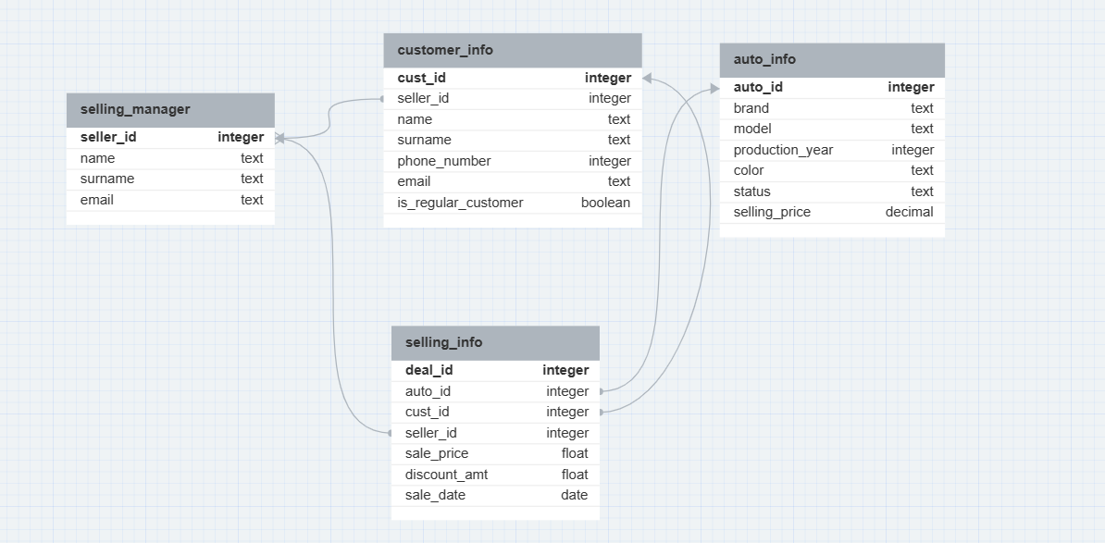
deal_id | auto_id | cust_id | seller_id | sale_price | discount_amt | sale_date
1 | 4 | 1 | 3 | 6300.00 | 0.05 | 2023-06-22
2 | 3 | 2 | 1 | 8000.00 | 0.0 | 2023-06-25
3 | 5 | 4 | 2 | 5000.00 | 0.0 | 2023-06-25
4 | 8 | 4 | 3 | 4999.99 | 0.1 | 2023-06-27

https://dbdesigner.page.link/sDuSg1qsybkg1EVE6

